BusinessValue_at_5pct
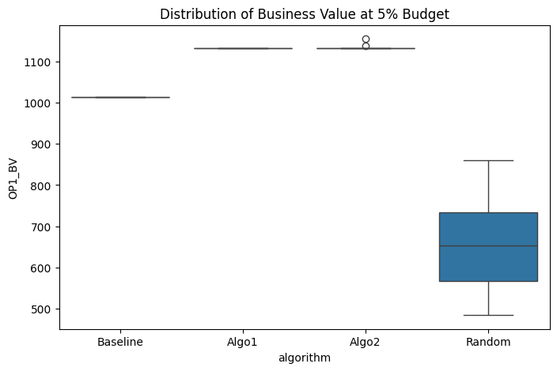
Descriptive Statistics
algorithm | mean | std
Baseline | 1014 | 0
Algo1 | 1133 | 0
Algo2 | 1133.9 | 4.0882506165
Random | 661 | 109.80798288

Overall Comparison (One-way ANOVA)
F-statistic | 496.55462963
p-value | 5.3896224353E-66
Result: | Significant difference detected

Pairwise Comparisons (Tukey HSD)
Pair | Mean diff | 95% CI | p-value | Significant?
Algo1 vs Baseline | -119.0000 | [-155.9781, -82.0219] | 0.0000 | Yes
Algo1 vs Random | -472.0000 | [-508.9781, -435.0219] | 0.0000 | Yes
Algo2 vs Baseline | -119.9000 | [-156.8781, -82.9219] | 0.0000 | Yes
Algo2 vs Random | -472.9000 | [-509.8781, -435.9219] | 0.0000 | Yes
Algo1 vs Algo2 | +0.9000 | [-36.0781, 37.8781] | 0.9999 | No

RequirementsCoverage_at_5pct
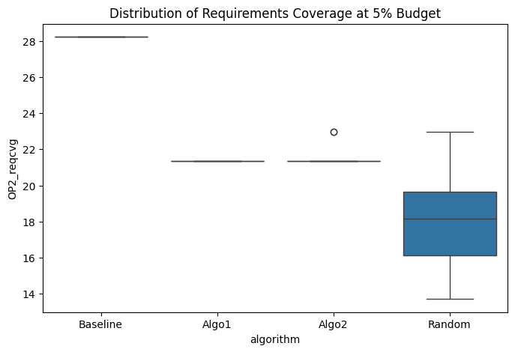
Descriptive Statistics
algorithm | mean | std
Baseline | 28.225806452 | 0
Algo1 | 21.370967742 | 0
Algo2 | 21.478494624 | 0.40920666404
Random | 18.024193548 | 2.5151368156

Overall Comparison (One-way ANOVA)
F-statistic | 338.39565405
p-value | 3.5274058365E-57
Result: | Significant difference detected

Pairwise Comparisons (Tukey HSD)
Pair | Mean diff | 95% CI | p-value | Significant?
Algo1 vs Baseline | +6.8548 | [5.9973, 7.7124] | 0.0000 | Yes
Algo1 vs Random | -3.3468 | [-4.2043, -2.4893] | 0.0000 | Yes
Algo2 vs Baseline | +6.7473 | [5.8898, 7.6048] | 0.0000 | Yes
Algo2 vs Random | -3.4543 | [-4.3118, -2.5968] | 0.0000 | Yes
Algo1 vs Algo2 | +0.1075 | [-0.7500, 0.9650] | 0.9879 | No

BusinessValue_at_10pct
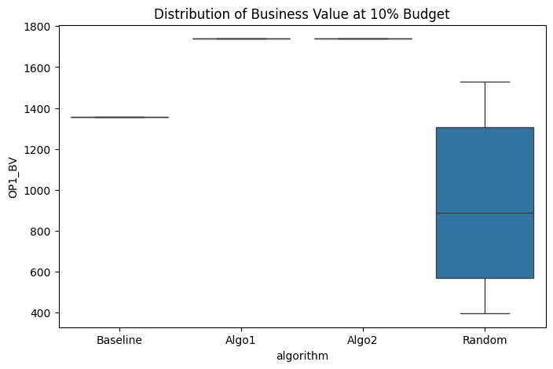
Descriptive Statistics
algorithm | mean | std
Baseline | 1357 | 0
Algo1 | 1739 | 0
Algo2 | 1739 | 0
Random | 929.66666667 | 386.54083367

Overall Comparison (One-way ANOVA)
F-statistic | 119.43357805
p-value | 2.5391467714E-35
Result: | Significant difference detected

Pairwise Comparisons (Tukey HSD)
Pair | Mean diff | 95% CI | p-value | Significant?
Algo1 vs Baseline | -382.0000 | [-512.0783, -251.9217] | 0.0000 | Yes
Algo1 vs Random | -809.3333 | [-939.4117, -679.2550] | 0.0000 | Yes
Algo2 vs Baseline | -382.0000 | [-512.0783, -251.9217] | 0.0000 | Yes
Algo2 vs Random | -809.3333 | [-939.4117, -679.2550] | 0.0000 | Yes
Algo1 vs Algo2 | +0.0000 | [-130.0783, 130.0783] | 1.0000 | No

RequirementsCoverage_at_10pct
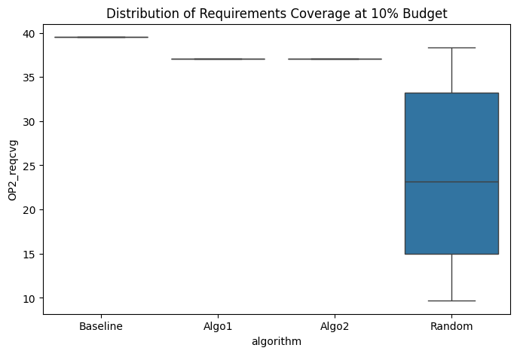
Descriptive Statistics
algorithm | mean | std
Baseline | 39.516129032 | 0
Algo1 | 37.096774194 | 0
Algo2 | 37.096774194 | 0
Random | 24.180107527 | 9.9682180764

Overall Comparison (One-way ANOVA)
F-statistic | 58.428872894
p-value | 4.3357391865E-23
Result: | Significant difference detected

Pairwise Comparisons (Tukey HSD)
Pair | Mean diff | 95% CI | p-value | Significant?
Algo1 vs Baseline | +2.4194 | [-0.9351, 5.7738] | 0.2423 | No
Algo1 vs Random | -12.9167 | [-16.2712, -9.5622] | 0.0000 | Yes
Algo2 vs Baseline | +2.4194 | [-0.9351, 5.7738] | 0.2423 | No
Algo2 vs Random | -12.9167 | [-16.2712, -9.5622] | 0.0000 | Yes
Algo1 vs Algo2 | +0.0000 | [-3.3545, 3.3545] | 1.0000 | No

BusinessValue_at_15pct
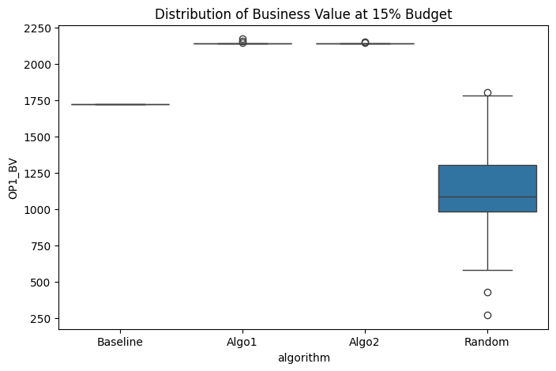
Descriptive Statistics
algorithm | mean | std
Baseline | 1721 | 0
Algo1 | 2141.6666667 | 6.1270082328
Algo2 | 2140.3666667 | 1.5421286975
Random | 1125.7333333 | 347.6563834

Overall Comparison (One-way ANOVA)
F-statistic | 229.00434579
p-value | 1.4735166912E-48
Result: | Significant difference detected

Pairwise Comparisons (Tukey HSD)
Pair | Mean diff | 95% CI | p-value | Significant?
Algo1 vs Baseline | -420.6667 | [-537.6790, -303.6544] | 0.0000 | Yes
Algo1 vs Random | -1015.9333 | [-1132.9456, -898.9210] | 0.0000 | Yes
Algo2 vs Baseline | -419.3667 | [-536.3790, -302.3544] | 0.0000 | Yes
Algo2 vs Random | -1014.6333 | [-1131.6456, -897.6210] | 0.0000 | Yes
Algo1 vs Algo2 | -1.3000 | [-118.3123, 115.7123] | 1.0000 | No

RequirementsCoverage_at_15pct
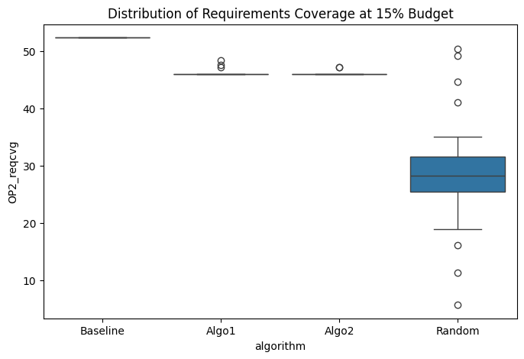
Descriptive Statistics
algorithm | mean | std
Baseline | 52.419354839 | 0
Algo1 | 46.142473118 | 0.55715176299
Algo2 | 46.048387097 | 0.30690499803
Random | 28.790322581 | 9.4449744537

Overall Comparison (One-way ANOVA)
F-statistic | 138.06904469
p-value | 4.0280474193E-38
Result: | Significant difference detected

Pairwise Comparisons (Tukey HSD)
Pair | Mean diff | 95% CI | p-value | Significant?
Algo1 vs Baseline | +6.2769 | [3.0913, 9.4625] | 0.0000 | Yes
Algo1 vs Random | -17.3522 | [-20.5378, -14.1665] | 0.0000 | Yes
Algo2 vs Baseline | +6.3710 | [3.1854, 9.5566] | 0.0000 | Yes
Algo2 vs Random | -17.2581 | [-20.4437, -14.0725] | 0.0000 | Yes
Algo1 vs Algo2 | -0.0941 | [-3.2797, 3.0915] | 0.9998 | No

BusinessValue_at_20pct
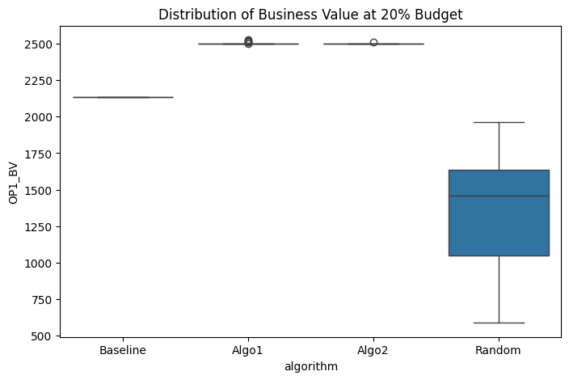
Descriptive Statistics
algorithm | mean | std
Baseline | 2134 | 0
Algo1 | 2502.0666667 | 7.2346547869
Algo2 | 2499.3666667 | 2.0083160442
Random | 1328.3 | 387.45830921

Overall Comparison (One-way ANOVA)
F-statistic | 244.18985798
p-value | 6.0299574086E-50
Result: | Significant difference detected

Pairwise Comparisons (Tukey HSD)
Pair | Mean diff | 95% CI | p-value | Significant?
Algo1 vs Baseline | -368.0667 | [-498.4782, -237.6551] | 0.0000 | Yes
Algo1 vs Random | -1173.7667 | [-1304.1782, -1043.3551] | 0.0000 | Yes
Algo2 vs Baseline | -365.3667 | [-495.7782, -234.9551] | 0.0000 | Yes
Algo2 vs Random | -1171.0667 | [-1301.4782, -1040.6551] | 0.0000 | Yes
Algo1 vs Algo2 | -2.7000 | [-133.1116, 127.7116] | 0.9999 | No

RequirementsCoverage_at_20pct
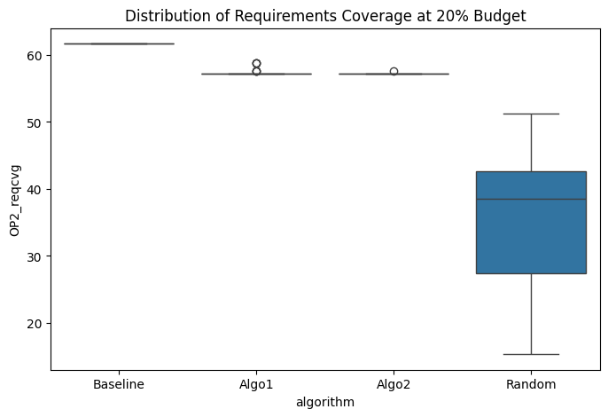
Descriptive Statistics
algorithm | mean | std
Baseline | 61.693548387 | 0
Algo1 | 57.459677419 | 0.49384873846
Algo2 | 57.271505376 | 0.073618623321
Random | 35.712365591 | 9.8989087083

Overall Comparison (One-way ANOVA)
F-statistic | 167.98840748
p-value | 4.7215070514E-42
Result: | Significant difference detected

Pairwise Comparisons (Tukey HSD)
Pair | Mean diff | 95% CI | p-value | Significant?
Algo1 vs Baseline | +4.2339 | [0.8985, 7.5693] | 0.0068 | Yes
Algo1 vs Random | -21.7473 | [-25.0827, -18.4119] | 0.0000 | Yes
Algo2 vs Baseline | +4.4220 | [1.0866, 7.7574] | 0.0042 | Yes
Algo2 vs Random | -21.5591 | [-24.8945, -18.2237] | 0.0000 | Yes
Algo1 vs Algo2 | -0.1882 | [-3.5236, 3.1472] | 0.9989 | No

BusinessValue_at_25pct
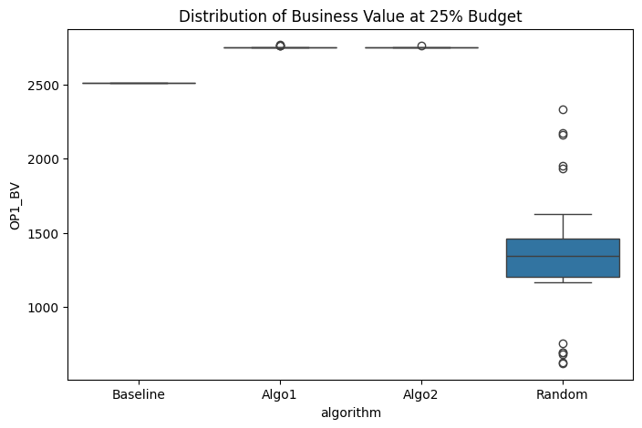
Descriptive Statistics
algorithm | mean | std
Baseline | 2512 | 0
Algo1 | 2751.2 | 5.7619441164
Algo2 | 2749.5333333 | 2.9211869734
Random | 1346.0666667 | 453.9007892

Overall Comparison (One-way ANOVA)
F-statistic | 262.88260928
p-value | 1.4806515843E-51
Result: | Significant difference detected

Pairwise Comparisons (Tukey HSD)
Pair | Mean diff | 95% CI | p-value | Significant?
Algo1 vs Baseline | -239.2000 | [-391.9617, -86.4383] | 0.0005 | Yes
Algo1 vs Random | -1405.1333 | [-1557.8950, -1252.3716] | 0.0000 | Yes
Algo2 vs Baseline | -237.5333 | [-390.2950, -84.7716] | 0.0005 | Yes
Algo2 vs Random | -1403.4667 | [-1556.2284, -1250.7050] | 0.0000 | Yes
Algo1 vs Algo2 | -1.6667 | [-154.4284, 151.0950] | 1.0000 | No

RequirementsCoverage_at_25pct
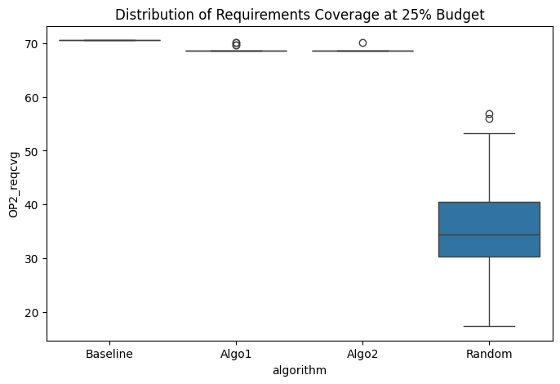
Descriptive Statistics
algorithm | mean | std
Baseline | 70.564516129 | 0
Algo1 | 68.73655914 | 0.49365948813
Algo2 | 68.602150538 | 0.29447449328
Random | 35.443548387 | 10.928140202

Overall Comparison (One-way ANOVA)
F-statistic | 287.97293701
p-value | 1.4442208576E-53
Result: | Significant difference detected

Pairwise Comparisons (Tukey HSD)
Pair | Mean diff | 95% CI | p-value | Significant?
Algo1 vs Baseline | +1.8280 | [-1.8547, 5.5106] | 0.5687 | No
Algo1 vs Random | -33.2930 | [-36.9756, -29.6104] | 0.0000 | Yes
Algo2 vs Baseline | +1.9624 | [-1.7202, 5.6450] | 0.5088 | No
Algo2 vs Random | -33.1586 | [-36.8412, -29.4760] | 0.0000 | Yes
Algo1 vs Algo2 | -0.1344 | [-3.8170, 3.5482] | 0.9997 | No

BusinessValue_at_30pct
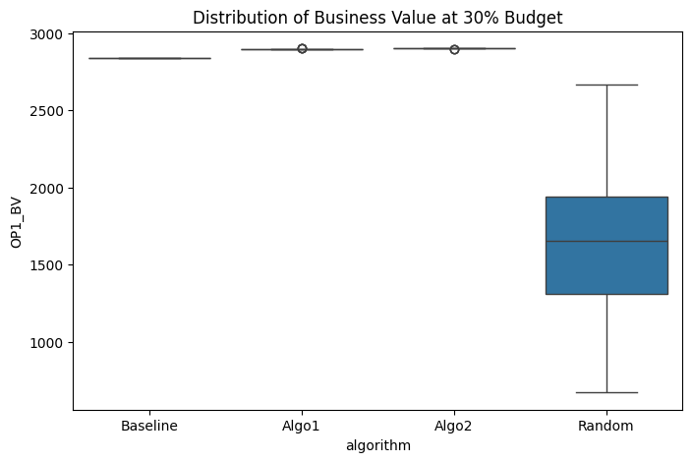
Descriptive Statistics
algorithm | mean | std
Baseline | 2838 | 0
Algo1 | 2896.5333333 | 1.3829836146
Algo2 | 2899.6 | 1.2205143065
Random | 1618.6 | 452.51706769

Overall Comparison (One-way ANOVA)
F-statistic | 232.85258348
p-value | 6.4462239465E-49
Result: | Significant difference detected

Pairwise Comparisons (Tukey HSD)
Pair | Mean diff | 95% CI | p-value | Significant?
Algo1 vs Baseline | -58.5333 | [-210.8152, 93.7485] | 0.7486 | No
Algo1 vs Random | -1277.9333 | [-1430.2152, -1125.6515] | 0.0000 | Yes
Algo2 vs Baseline | -61.6000 | [-213.8819, 90.6819] | 0.7178 | No
Algo2 vs Random | -1281.0000 | [-1433.2819, -1128.7181] | 0.0000 | Yes
Algo1 vs Algo2 | +3.0667 | [-149.2152, 155.3485] | 0.9999 | No

RequirementsCoverage_at_30pct

Descriptive Statistics
algorithm | mean | std
Baseline | 77.016129032 | 0
Algo1 | 77.069892473 | 0.13941367082
Algo2 | 77.379032258 | 0.12303571638
Random | 42.298387097 | 12.673209675

Overall Comparison (One-way ANOVA)
F-statistic | 226.91432387
p-value | 2.3201957984E-48
Result: | Significant difference detected

Pairwise Comparisons (Tukey HSD)
Pair | Mean diff | 95% CI | p-value | Significant?
Algo1 vs Baseline | -0.0538 | [-4.3190, 4.2115] | 1.0000 | No
Algo1 vs Random | -34.7715 | [-39.0367, -30.5063] | 0.0000 | Yes
Algo2 vs Baseline | -0.3629 | [-4.6281, 3.9023] | 0.9961 | No
Algo2 vs Random | -35.0806 | [-39.3459, -30.8154] | 0.0000 | Yes
Algo1 vs Algo2 | +0.3091 | [-3.9561, 4.5744] | 0.9976 | No

BusinessValue_at_35pct
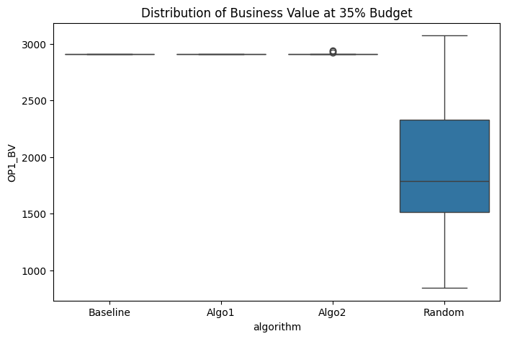
Descriptive Statistics
algorithm | mean | std
Baseline | 2908 | 0
Algo1 | 2908 | 0
Algo2 | 2910.3666667 | 7.5771131494
Random | 1847.7666667 | 536.59248541

Overall Comparison (One-way ANOVA)
F-statistic | 117.27255148
p-value | 5.6287265505E-35
Result: | Significant difference detected

Pairwise Comparisons (Tukey HSD)
Pair | Mean diff | 95% CI | p-value | Significant?
Algo1 vs Baseline | +0.0000 | [-180.5916, 180.5916] | 1.0000 | No
Algo1 vs Random | -1060.2333 | [-1240.8249, -879.6418] | 0.0000 | Yes
Algo2 vs Baseline | -2.3667 | [-182.9582, 178.2249] | 1.0000 | No
Algo2 vs Random | -1062.6000 | [-1243.1916, -882.0084] | 0.0000 | Yes
Algo1 vs Algo2 | +2.3667 | [-178.2249, 182.9582] | 1.0000 | No

RequirementsCoverage_at_35pct
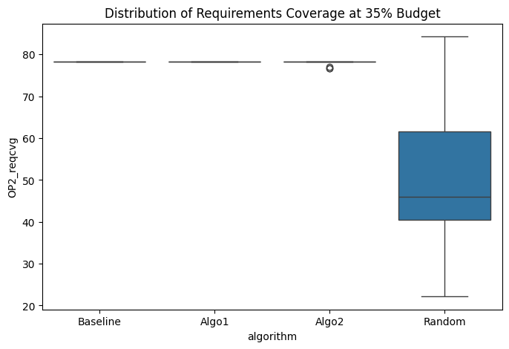
Descriptive Statistics
algorithm | mean | std
Baseline | 78.225806452 | 0
Algo1 | 78.225806452 | 0
Algo2 | 78.077956989 | 0.45525472918
Random | 48.333333333 | 15.003757189

Overall Comparison (One-way ANOVA)
F-statistic | 118.58274506
p-value | 3.4692796572E-35
Result: | Significant difference detected

Pairwise Comparisons (Tukey HSD)
Pair | Mean diff | 95% CI | p-value | Significant?
Algo1 vs Baseline | +0.0000 | [-5.0514, 5.0514] | 1.0000 | No
Algo1 vs Random | -29.8925 | [-34.9438, -24.8411] | 0.0000 | Yes
Algo2 vs Baseline | +0.1478 | [-4.9035, 5.1992] | 0.9998 | No
Algo2 vs Random | -29.7446 | [-34.7960, -24.6933] | 0.0000 | Yes
Algo1 vs Algo2 | -0.1478 | [-5.1992, 4.9035] | 0.9998 | No

BusinessValue_at_40pct
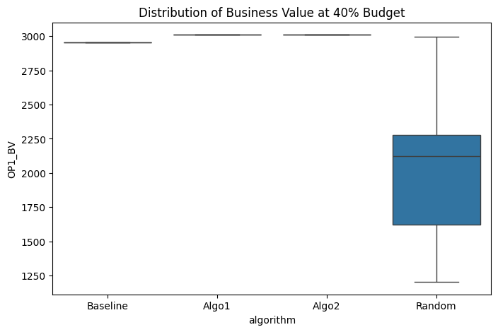
Descriptive Statistics
algorithm | mean | std
Baseline | 2953 | 0
Algo1 | 3010 | 0
Algo2 | 3010 | 0
Random | 2037.3 | 458.11887856

Overall Comparison (One-way ANOVA)
F-statistic | 130.42631898
p-value | 5.1989316372E-37
Result: | Significant difference detected

Pairwise Comparisons (Tukey HSD)
Pair | Mean diff | 95% CI | p-value | Significant?
Algo1 vs Baseline | -57.0000 | [-211.1657, 97.1657] | 0.7702 | No
Algo1 vs Random | -972.7000 | [-1126.8657, -818.5343] | 0.0000 | Yes
Algo2 vs Baseline | -57.0000 | [-211.1657, 97.1657] | 0.7702 | No
Algo2 vs Random | -972.7000 | [-1126.8657, -818.5343] | 0.0000 | Yes
Algo1 vs Algo2 | +0.0000 | [-154.1657, 154.1657] | 1.0000 | No

RequirementsCoverage_at_40pct
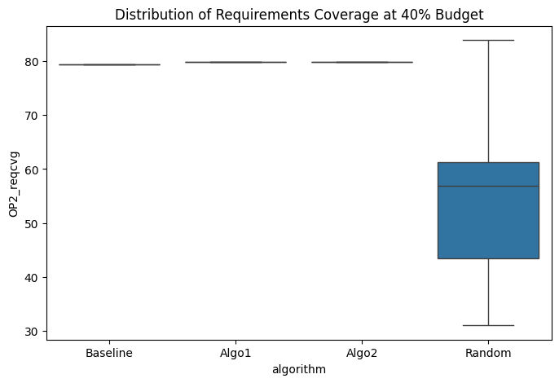
Descriptive Statistics
algorithm | mean | std
Baseline | 79.435483871 | 0
Algo1 | 79.838709677 | 0
Algo2 | 79.838709677 | 0
Random | 53.938172043 | 13.191001222

Overall Comparison (One-way ANOVA)
F-statistic | 114.48764474
p-value | 1.5960587845E-34
Result: | Significant difference detected

Pairwise Comparisons (Tukey HSD)
Pair | Mean diff | 95% CI | p-value | Significant?
Algo1 vs Baseline | -0.4032 | [-4.8422, 4.0358] | 0.9953 | No
Algo1 vs Random | -25.9005 | [-30.3396, -21.4615] | 0.0000 | Yes
Algo2 vs Baseline | -0.4032 | [-4.8422, 4.0358] | 0.9953 | No
Algo2 vs Random | -25.9005 | [-30.3396, -21.4615] | 0.0000 | Yes
Algo1 vs Algo2 | +0.0000 | [-4.4390, 4.4390] | 1.0000 | No

BusinessValue_at_45pct
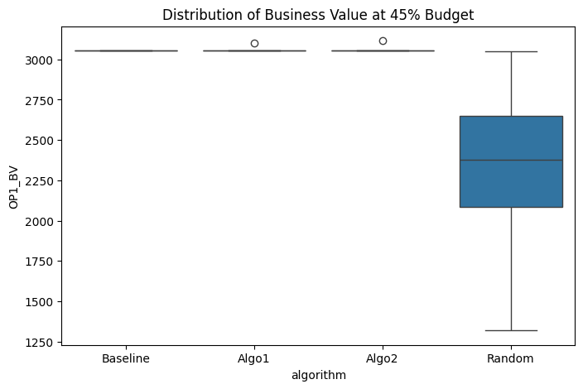
Descriptive Statistics
algorithm | mean | std
Baseline | 3055 | 0
Algo1 | 3056.5 | 8.2158383626
Algo2 | 3057 | 10.95445115
Random | 2340.2 | 413.91356752

Overall Comparison (One-way ANOVA)
F-statistic | 89.663346915
p-value | 4.3971941045E-30
Result: | Significant difference detected

Pairwise Comparisons (Tukey HSD)
Pair | Mean diff | 95% CI | p-value | Significant?
Algo1 vs Baseline | -1.5000 | [-140.8660, 137.8660] | 1.0000 | No
Algo1 vs Random | -716.3000 | [-855.6660, -576.9340] | 0.0000 | Yes
Algo2 vs Baseline | -2.0000 | [-141.3660, 137.3660] | 1.0000 | No
Algo2 vs Random | -716.8000 | [-856.1660, -577.4340] | 0.0000 | Yes
Algo1 vs Algo2 | +0.5000 | [-138.8660, 139.8660] | 1.0000 | No

RequirementsCoverage_at_45pct
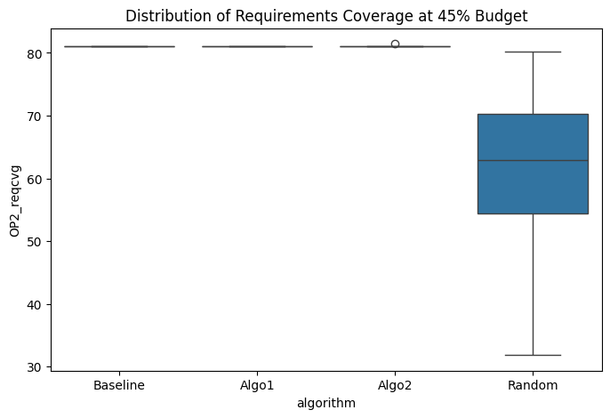
Descriptive Statistics
algorithm | mean | std
Baseline | 81.048387097 | 0
Algo1 | 81.048387097 | 0
Algo2 | 81.061827957 | 0.073618623321
Random | 61.787634409 | 10.68918668

Overall Comparison (One-way ANOVA)
F-statistic | 97.445109937
p-value | 1.4636127643E-31
Result: | Significant difference detected

Pairwise Comparisons (Tukey HSD)
Pair | Mean diff | 95% CI | p-value | Significant?
Algo1 vs Baseline | +0.0000 | [-3.5972, 3.5972] | 1.0000 | No
Algo1 vs Random | -19.2608 | [-22.8580, -15.6636] | 0.0000 | Yes
Algo2 vs Baseline | -0.0134 | [-3.6106, 3.5838] | 1.0000 | No
Algo2 vs Random | -19.2742 | [-22.8714, -15.6770] | 0.0000 | Yes
Algo1 vs Algo2 | +0.0134 | [-3.5838, 3.6106] | 1.0000 | No

BusinessValue_at_50pct
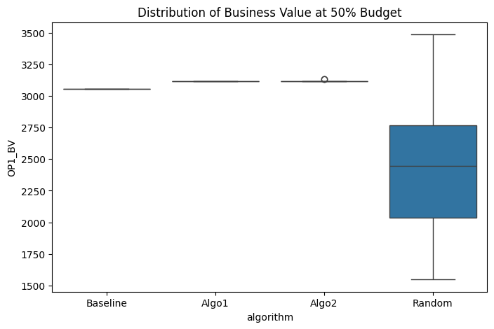
Descriptive Statistics
algorithm | mean | std
Baseline | 3055 | 0
Algo1 | 3116 | 0
Algo2 | 3117.1333333 | 4.3130382389
Random | 2427.4666667 | 489.39665411

Overall Comparison (One-way ANOVA)
F-statistic | 56.406806125
p-value | 1.4594406248E-22
Result: | Significant difference detected

Pairwise Comparisons (Tukey HSD)
Pair | Mean diff | 95% CI | p-value | Significant?
Algo1 vs Baseline | -61.0000 | [-225.6977, 103.6977] | 0.7693 | No
Algo1 vs Random | -688.5333 | [-853.2310, -523.8357] | 0.0000 | Yes
Algo2 vs Baseline | -62.1333 | [-226.8310, 102.5643] | 0.7592 | No
Algo2 vs Random | -689.6667 | [-854.3643, -524.9690] | 0.0000 | Yes
Algo1 vs Algo2 | +1.1333 | [-163.5643, 165.8310] | 1.0000 | No

RequirementsCoverage_at_50pct
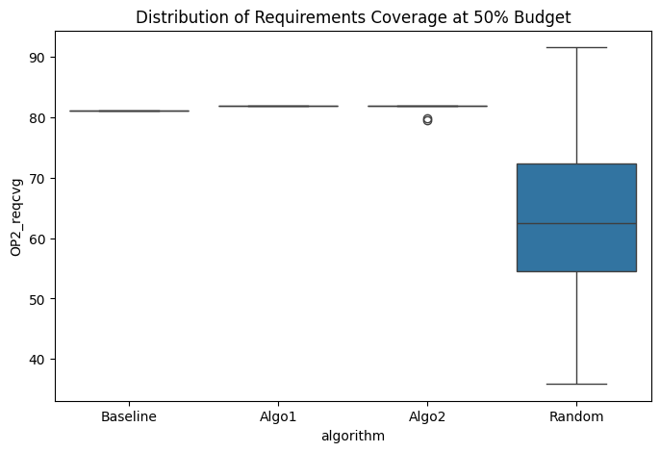
Descriptive Statistics
algorithm | mean | std
Baseline | 81.048387097 | 0
Algo1 | 81.85483871 | 0
Algo2 | 81.706989247 | 0.56514478476
Random | 63.669354839 | 12.860289904

Overall Comparison (One-way ANOVA)
F-statistic | 57.885788399
p-value | 5.9918565662E-23
Result: | Significant difference detected

Pairwise Comparisons (Tukey HSD)
Pair | Mean diff | 95% CI | p-value | Significant?
Algo1 vs Baseline | -0.8065 | [-5.1384, 3.5255] | 0.9622 | No
Algo1 vs Random | -18.1855 | [-22.5174, -13.8536] | 0.0000 | Yes
Algo2 vs Baseline | -0.6586 | [-4.9905, 3.6733] | 0.9788 | No
Algo2 vs Random | -18.0376 | [-22.3695, -13.7057] | 0.0000 | Yes
Algo1 vs Algo2 | -0.1478 | [-4.4798, 4.1841] | 0.9997 | No

BusinessValue_at_55pct
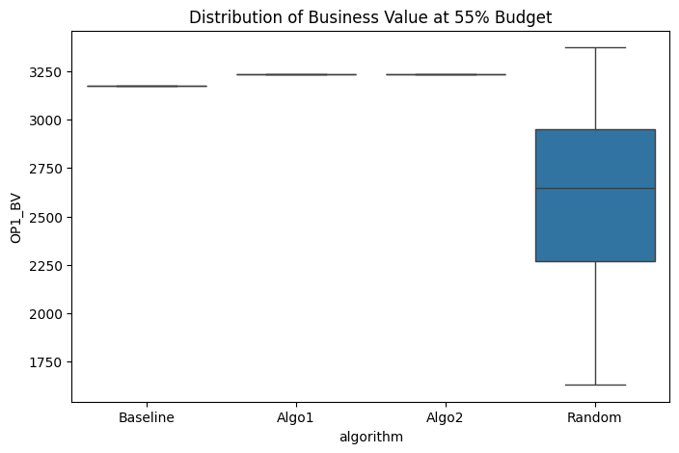
Descriptive Statistics
algorithm | mean | std
Baseline | 3174 | 0
Algo1 | 3235 | 0
Algo2 | 3235 | 0
Random | 2597.1 | 438.40536666

Overall Comparison (One-way ANOVA)
F-statistic | 60.04645371
p-value | 1.6716904462E-23
Result: | Significant difference detected

Pairwise Comparisons (Tukey HSD)
Pair | Mean diff | 95% CI | p-value | Significant?
Algo1 vs Baseline | -61.0000 | [-208.5317, 86.5317] | 0.7037 | No
Algo1 vs Random | -637.9000 | [-785.4317, -490.3683] | 0.0000 | Yes
Algo2 vs Baseline | -61.0000 | [-208.5317, 86.5317] | 0.7037 | No
Algo2 vs Random | -637.9000 | [-785.4317, -490.3683] | 0.0000 | Yes
Algo1 vs Algo2 | +0.0000 | [-147.5317, 147.5317] | 1.0000 | No

RequirementsCoverage_at_55pct
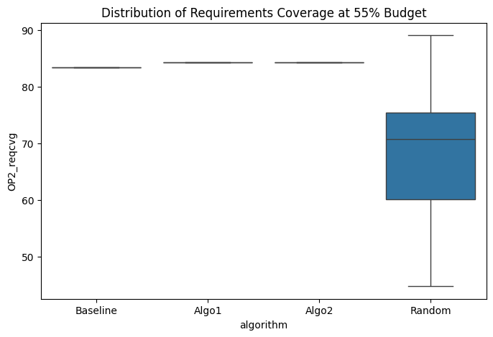
Descriptive Statistics
algorithm | mean | std
Baseline | 83.467741935 | 0
Algo1 | 84.274193548 | 0
Algo2 | 84.274193548 | 0
Random | 68.454301075 | 11.469499953

Overall Comparison (One-way ANOVA)
F-statistic | 55.282803974
p-value | 2.897475878E-22
Result: | Significant difference detected

Pairwise Comparisons (Tukey HSD)
Pair | Mean diff | 95% CI | p-value | Significant?
Algo1 vs Baseline | -0.8065 | [-4.6662, 3.0533] | 0.9478 | No
Algo1 vs Random | -15.8199 | [-19.6796, -11.9602] | 0.0000 | Yes
Algo2 vs Baseline | -0.8065 | [-4.6662, 3.0533] | 0.9478 | No
Algo2 vs Random | -15.8199 | [-19.6796, -11.9602] | 0.0000 | Yes
Algo1 vs Algo2 | +0.0000 | [-3.8597, 3.8597] | 1.0000 | No

BusinessValue_at_60pct
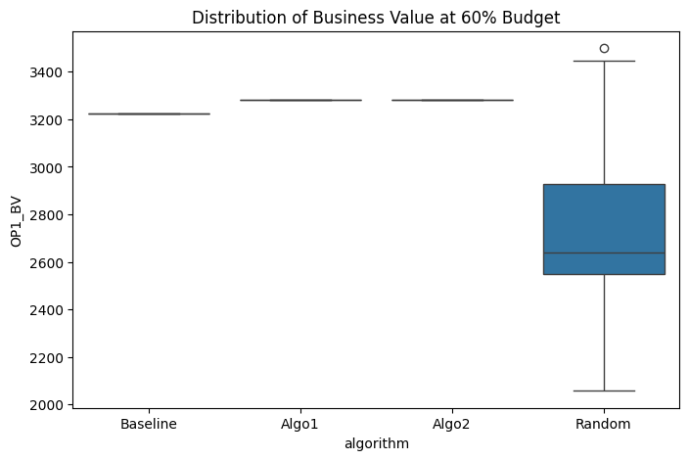
Descriptive Statistics
algorithm | mean | std
Baseline | 3226 | 0
Algo1 | 3280 | 0
Algo2 | 3280 | 0
Random | 2721.9666667 | 395.15727845

Overall Comparison (One-way ANOVA)
F-statistic | 56.528216667
p-value | 1.3558900637E-22
Result: | Significant difference detected

Pairwise Comparisons (Tukey HSD)
Pair | Mean diff | 95% CI | p-value | Significant?
Algo1 vs Baseline | -54.0000 | [-186.9779, 78.9779] | 0.7153 | No
Algo1 vs Random | -558.0333 | [-691.0113, -425.0554] | 0.0000 | Yes
Algo2 vs Baseline | -54.0000 | [-186.9779, 78.9779] | 0.7153 | No
Algo2 vs Random | -558.0333 | [-691.0113, -425.0554] | 0.0000 | Yes
Algo1 vs Algo2 | +0.0000 | [-132.9779, 132.9779] | 1.0000 | No

RequirementsCoverage_at_60pct

Descriptive Statistics
algorithm | mean | std
Baseline | 85.483870968 | 0
Algo1 | 85.483870968 | 0
Algo2 | 85.483870968 | 0
Random | 71.747311828 | 10.891953626

Overall Comparison (One-way ANOVA)
F-statistic | 47.716173385
p-value | 3.6624315508E-20
Result: | Significant difference detected

Pairwise Comparisons (Tukey HSD)
Pair | Mean diff | 95% CI | p-value | Significant?
Algo1 vs Baseline | +0.0000 | [-3.6653, 3.6653] | 1.0000 | No
Algo1 vs Random | -13.7366 | [-17.4019, -10.0712] | 0.0000 | Yes
Algo2 vs Baseline | +0.0000 | [-3.6653, 3.6653] | 1.0000 | No
Algo2 vs Random | -13.7366 | [-17.4019, -10.0712] | 0.0000 | Yes
Algo1 vs Algo2 | +0.0000 | [-3.6653, 3.6653] | 1.0000 | No

BusinessValue_at_65pct
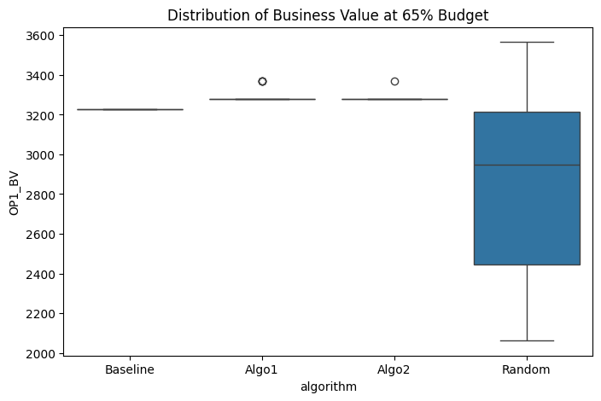
Descriptive Statistics
algorithm | mean | std
Baseline | 3226 | 0
Algo1 | 3292 | 31.117131328
Algo2 | 3283 | 16.431676725
Random | 2854.7 | 441.10966265

Overall Comparison (One-way ANOVA)
F-statistic | 26.566871069
p-value | 3.7443306877E-13
Result: | Significant difference detected

Pairwise Comparisons (Tukey HSD)
Pair | Mean diff | 95% CI | p-value | Significant?
Algo1 vs Baseline | -66.0000 | [-214.9134, 82.9134] | 0.6561 | No
Algo1 vs Random | -437.3000 | [-586.2134, -288.3866] | 0.0000 | Yes
Algo2 vs Baseline | -57.0000 | [-205.9134, 91.9134] | 0.7510 | No
Algo2 vs Random | -428.3000 | [-577.2134, -279.3866] | 0.0000 | Yes
Algo1 vs Algo2 | -9.0000 | [-157.9134, 139.9134] | 0.9986 | No

RequirementsCoverage_at_65pct
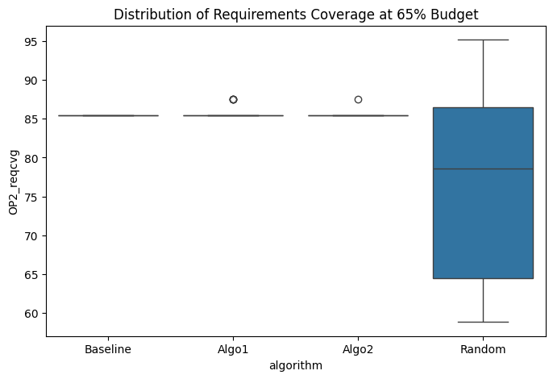
Descriptive Statistics
algorithm | mean | std
Baseline | 85.483870968 | 0
Algo1 | 85.752688172 | 0.69706835412
Algo2 | 85.551075269 | 0.3680931166
Random | 76.169354839 | 11.586546804

Overall Comparison (One-way ANOVA)
F-statistic | 19.777241365
p-value | 2.0107354031E-10
Result: | Significant difference detected

Pairwise Comparisons (Tukey HSD)
Pair | Mean diff | 95% CI | p-value | Significant?
Algo1 vs Baseline | -0.2688 | [-4.1769, 3.6393] | 0.9979 | No
Algo1 vs Random | -9.5833 | [-13.4914, -5.6752] | 0.0000 | Yes
Algo2 vs Baseline | -0.0672 | [-3.9753, 3.8409] | 1.0000 | No
Algo2 vs Random | -9.3817 | [-13.2898, -5.4736] | 0.0000 | Yes
Algo1 vs Algo2 | -0.2016 | [-4.1097, 3.7065] | 0.9991 | No

BusinessValue_at_70pct
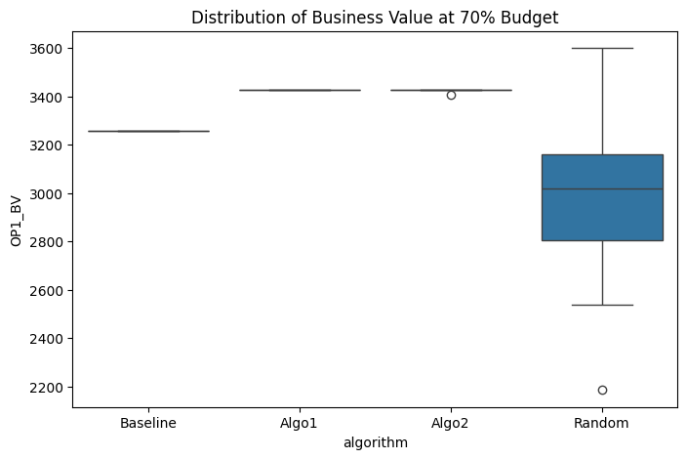
Descriptive Statistics
algorithm | mean | std
Baseline | 3258 | 0
Algo1 | 3425 | 0
Algo2 | 3424.4 | 3.286335345
Random | 2993.7666667 | 310.5326551

Overall Comparison (One-way ANOVA)
F-statistic | 51.513685117
p-value | 3.0700272438E-21
Result: | Significant difference detected

Pairwise Comparisons (Tukey HSD)
Pair | Mean diff | 95% CI | p-value | Significant?
Algo1 vs Baseline | -167.0000 | [-271.5060, -62.4940] | 0.0003 | Yes
Algo1 vs Random | -431.2333 | [-535.7393, -326.7273] | 0.0000 | Yes
Algo2 vs Baseline | -166.4000 | [-270.9060, -61.8940] | 0.0004 | Yes
Algo2 vs Random | -430.6333 | [-535.1393, -326.1273] | 0.0000 | Yes
Algo1 vs Algo2 | -0.6000 | [-105.1060, 103.9060] | 1.0000 | No

RequirementsCoverage_at_70pct

Descriptive Statistics
algorithm | mean | std
Baseline | 88.306451613 | 0
Algo1 | 89.112903226 | 0
Algo2 | 89.112903226 | 0
Random | 79.153225806 | 8.3501622685

Overall Comparison (One-way ANOVA)
F-statistic | 40.655685373
p-value | 4.9644375463E-18
Result: | Significant difference detected

Pairwise Comparisons (Tukey HSD)
Pair | Mean diff | 95% CI | p-value | Significant?
Algo1 vs Baseline | -0.8065 | [-3.6164, 2.0035] | 0.8773 | No
Algo1 vs Random | -9.9597 | [-12.7697, -7.1497] | 0.0000 | Yes
Algo2 vs Baseline | -0.8065 | [-3.6164, 2.0035] | 0.8773 | No
Algo2 vs Random | -9.9597 | [-12.7697, -7.1497] | 0.0000 | Yes
Algo1 vs Algo2 | +0.0000 | [-2.8100, 2.8100] | 1.0000 | No

BusinessValue_at_75pct
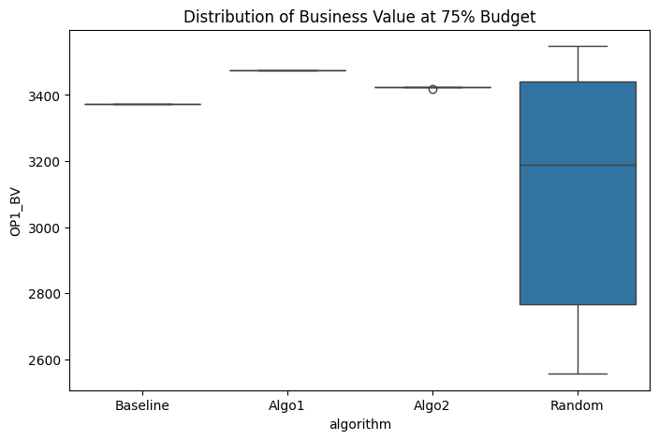
Descriptive Statistics
algorithm | mean | std
Baseline | 3373 | 0
Algo1 | 3474 | 0
Algo2 | 3424.7666667 | 1.2780193008
Random | 3106.1333333 | 355.10772851

Overall Comparison (One-way ANOVA)
F-statistic | 25.643741485
p-value | 8.4718088086E-13
Result: | Significant difference detected

Pairwise Comparisons (Tukey HSD)
Pair | Mean diff | 95% CI | p-value | Significant?
Algo1 vs Baseline | -101.0000 | [-220.5013, 18.5013] | 0.1285 | No
Algo1 vs Random | -367.8667 | [-487.3679, -248.3654] | 0.0000 | Yes
Algo2 vs Baseline | -51.7667 | [-171.2679, 67.7346] | 0.6723 | No
Algo2 vs Random | -318.6333 | [-438.1346, -199.1321] | 0.0000 | Yes
Algo1 vs Algo2 | -49.2333 | [-168.7346, 70.2679] | 0.7061 | No

RequirementsCoverage_at_75pct
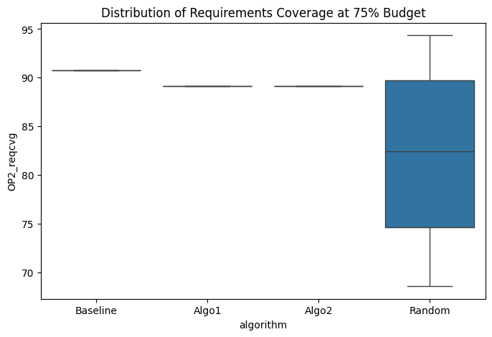
Descriptive Statistics
algorithm | mean | std
Baseline | 90.725806452 | 0
Algo1 | 89.112903226 | 0
Algo2 | 89.112903226 | 0
Random | 82.258064516 | 8.786507627

Overall Comparison (One-way ANOVA)
F-statistic | 22.134350036
p-value | 2.1015246403E-11
Result: | Significant difference detected

Pairwise Comparisons (Tukey HSD)
Pair | Mean diff | 95% CI | p-value | Significant?
Algo1 vs Baseline | +1.6129 | [-1.3439, 4.5697] | 0.4883 | No
Algo1 vs Random | -6.8548 | [-9.8117, -3.8980] | 0.0000 | Yes
Algo2 vs Baseline | +1.6129 | [-1.3439, 4.5697] | 0.4883 | No
Algo2 vs Random | -6.8548 | [-9.8117, -3.8980] | 0.0000 | Yes
Algo1 vs Algo2 | +0.0000 | [-2.9568, 2.9568] | 1.0000 | No

BusinessValue_at_80pct
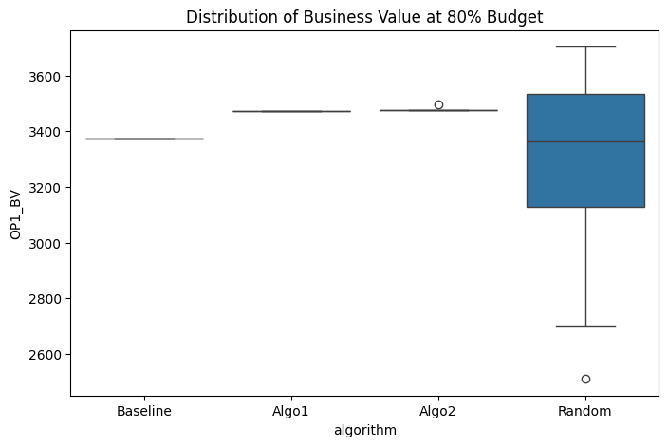
Descriptive Statistics
algorithm | mean | std
Baseline | 3373 | 0
Algo1 | 3474 | 0
Algo2 | 3477.6333333 | 3.4689095309
Random | 3322.6333333 | 294.35756855

Overall Comparison (One-way ANOVA)
F-statistic | 8.1510846122
p-value | 5.6964078782E-05
Result: | Significant difference detected

Pairwise Comparisons (Tukey HSD)
Pair | Mean diff | 95% CI | p-value | Significant?
Algo1 vs Baseline | -101.0000 | [-200.0638, -1.9362] | 0.0439 | Yes
Algo1 vs Random | -151.3667 | [-250.4305, -52.3029] | 0.0007 | Yes
Algo2 vs Baseline | -104.6333 | [-203.6971, -5.5695] | 0.0341 | Yes
Algo2 vs Random | -155.0000 | [-254.0638, -55.9362] | 0.0005 | Yes
Algo1 vs Algo2 | +3.6333 | [-95.4305, 102.6971] | 0.9997 | No

RequirementsCoverage_at_80pct
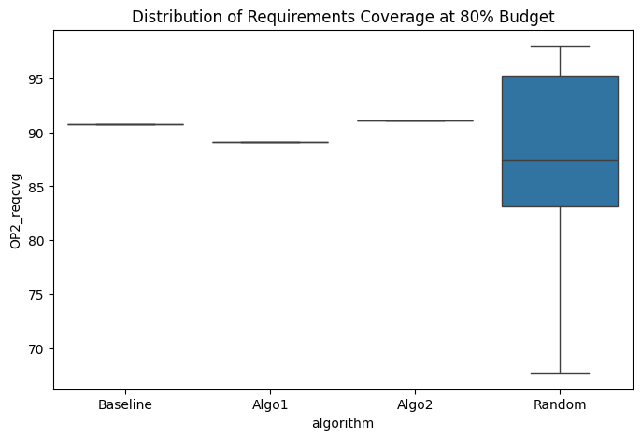
Descriptive Statistics
algorithm | mean | std
Baseline | 90.725806452 | 0
Algo1 | 89.112903226 | 0
Algo2 | 91.129032258 | 0
Random | 87.782258065 | 7.7222633712

Overall Comparison (One-way ANOVA)
F-statistic | 4.7733046266
p-value | 0.0035694493226
Result: | Significant difference detected

Pairwise Comparisons (Tukey HSD)
Pair | Mean diff | 95% CI | p-value | Significant?
Algo1 vs Baseline | +1.6129 | [-0.9858, 4.2116] | 0.3727 | No
Algo1 vs Random | -1.3306 | [-3.9293, 1.2680] | 0.5428 | No
Algo2 vs Baseline | -0.4032 | [-3.0019, 2.1955] | 0.9775 | No
Algo2 vs Random | -3.3468 | [-5.9455, -0.7481] | 0.0058 | Yes
Algo1 vs Algo2 | +2.0161 | [-0.5826, 4.6148] | 0.1858 | No

BusinessValue_at_85pct
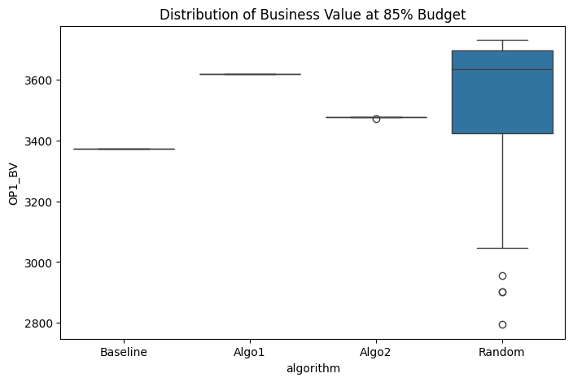
Descriptive Statistics
algorithm | mean | std
Baseline | 3373 | 0
Algo1 | 3619 | 0
Algo2 | 3476.8 | 1.095445115
Random | 3485.5333333 | 301.4894901

Overall Comparison (One-way ANOVA)
F-statistic | 13.428881268
p-value | 1.3928792458E-07
Result: | Significant difference detected

Pairwise Comparisons (Tukey HSD)
Pair | Mean diff | 95% CI | p-value | Significant?
Algo1 vs Baseline | -246.0000 | [-347.4576, -144.5424] | 0.0000 | Yes
Algo1 vs Random | -133.4667 | [-234.9243, -32.0091] | 0.0046 | Yes
Algo2 vs Baseline | -103.8000 | [-205.2576, -2.3424] | 0.0429 | Yes
Algo2 vs Random | +8.7333 | [-92.7243, 110.1909] | 0.9960 | No
Algo1 vs Algo2 | -142.2000 | [-243.6576, -40.7424] | 0.0022 | Yes

RequirementsCoverage_at_85pct
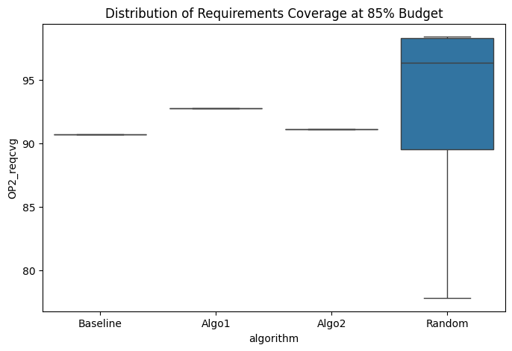
Descriptive Statistics
algorithm | mean | std
Baseline | 90.725806452 | 0
Algo1 | 92.741935484 | 0
Algo2 | 91.129032258 | 0
Random | 92.889784946 | 7.2204899142

Overall Comparison (One-way ANOVA)
F-statistic | 2.8068674297
p-value | 0.042746763051
Result: | Significant difference detected

Pairwise Comparisons (Tukey HSD)
Pair | Mean diff | 95% CI | p-value | Significant?
Algo1 vs Baseline | -2.0161 | [-4.4460, 0.4137] | 0.1399 | No
Algo1 vs Random | +0.1478 | [-2.2820, 2.5777] | 0.9986 | No
Algo2 vs Baseline | -0.4032 | [-2.8331, 2.0266] | 0.9728 | No
Algo2 vs Random | +1.7608 | [-0.6691, 4.1906] | 0.2385 | No
Algo1 vs Algo2 | -1.6129 | [-4.0427, 0.8169] | 0.3128 | No

BusinessValue_at_90pct
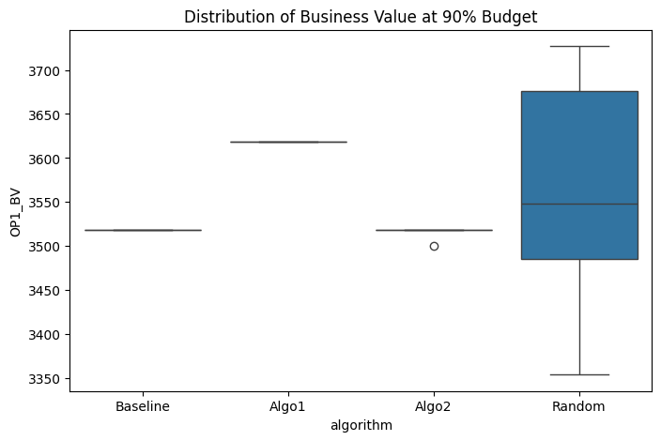
Descriptive Statistics
algorithm | mean | std
Baseline | 3518 | 0
Algo1 | 3619 | 0
Algo2 | 3517.4 | 3.286335345
Random | 3578.9 | 109.37576798

Overall Comparison (One-way ANOVA)
F-statistic | 24.739719199
p-value | 1.905687953E-12
Result: | Significant difference detected

Pairwise Comparisons (Tukey HSD)
Pair | Mean diff | 95% CI | p-value | Significant?
Algo1 vs Baseline | -101.0000 | [-137.8236, -64.1764] | 0.0000 | Yes
Algo1 vs Random | -40.1000 | [-76.9236, -3.2764] | 0.0271 | Yes
Algo2 vs Baseline | +0.6000 | [-36.2236, 37.4236] | 1.0000 | No
Algo2 vs Random | +61.5000 | [24.6764, 98.3236] | 0.0002 | Yes
Algo1 vs Algo2 | -101.6000 | [-138.4236, -64.7764] | 0.0000 | Yes

RequirementsCoverage_at_90pct
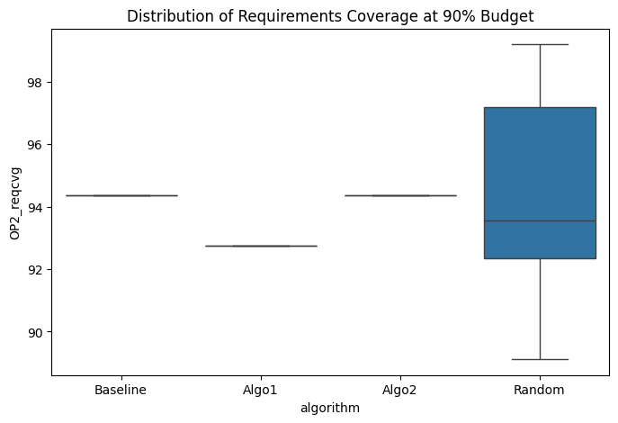
Descriptive Statistics
algorithm | mean | std
Baseline | 94.35483871 | 0
Algo1 | 92.741935484 | 0
Algo2 | 94.35483871 | 0
Random | 94.583333333 | 3.1138153993

Overall Comparison (One-way ANOVA)
F-statistic | 8.9709334824
p-value | 2.1573640949E-05
Result: | Significant difference detected

Pairwise Comparisons (Tukey HSD)
Pair | Mean diff | 95% CI | p-value | Significant?
Algo1 vs Baseline | +1.6129 | [0.5650, 2.6608] | 0.0006 | Yes
Algo1 vs Random | +1.8414 | [0.7935, 2.8893] | 0.0001 | Yes
Algo2 vs Baseline | +0.0000 | [-1.0479, 1.0479] | 1.0000 | No
Algo2 vs Random | +0.2285 | [-0.8194, 1.2764] | 0.9413 | No
Algo1 vs Algo2 | +1.6129 | [0.5650, 2.6608] | 0.0006 | Yes

BusinessValue_at_95pct
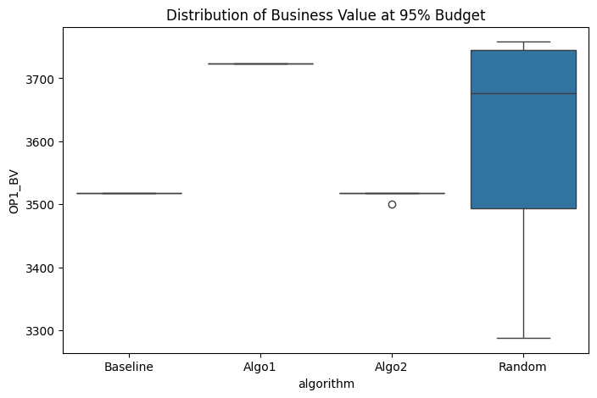
Descriptive Statistics
algorithm | mean | std
Baseline | 3518 | 0
Algo1 | 3724 | 0
Algo2 | 3517.4 | 3.286335345
Random | 3610.5 | 176.70875122

Overall Comparison (One-way ANOVA)
F-statistic | 36.887931414
p-value | 8.1560410803E-17
Result: | Significant difference detected

Pairwise Comparisons (Tukey HSD)
Pair | Mean diff | 95% CI | p-value | Significant?
Algo1 vs Baseline | -206.0000 | [-265.4761, -146.5239] | 0.0000 | Yes
Algo1 vs Random | -113.5000 | [-172.9761, -54.0239] | 0.0000 | Yes
Algo2 vs Baseline | +0.6000 | [-58.8761, 60.0761] | 1.0000 | No
Algo2 vs Random | +93.1000 | [33.6239, 152.5761] | 0.0005 | Yes
Algo1 vs Algo2 | -206.6000 | [-266.0761, -147.1239] | 0.0000 | Yes

RequirementsCoverage_at_95pct
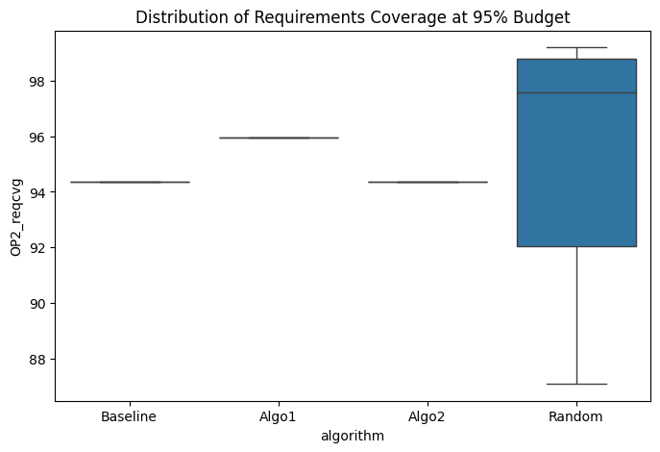
Descriptive Statistics
algorithm | mean | std
Baseline | 94.35483871 | 0
Algo1 | 95.967741935 | 0
Algo2 | 94.35483871 | 0
Random | 95.551075269 | 4.4769816941

Overall Comparison (One-way ANOVA)
F-statistic | 4.1103320311
p-value | 0.008219632689
Result: | Significant difference detected

Pairwise Comparisons (Tukey HSD)
Pair | Mean diff | 95% CI | p-value | Significant?
Algo1 vs Baseline | -1.6129 | [-3.1195, -0.1063] | 0.0309 | Yes
Algo1 vs Random | -0.4167 | [-1.9233, 1.0899] | 0.8886 | No
Algo2 vs Baseline | +0.0000 | [-1.5066, 1.5066] | 1.0000 | No
Algo2 vs Random | +1.1962 | [-0.3104, 2.7028] | 0.1692 | No
Algo1 vs Algo2 | -1.6129 | [-3.1195, -0.1063] | 0.0309 | Yes

